Income Statement
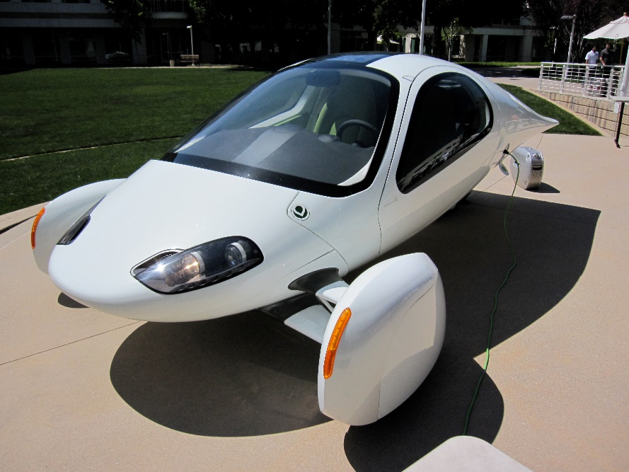

 |  |  |  | California Electric Vehicles, Inc.
 |  |  |  | 5555 Via Rapido
 |  |  |  |  |  | San Diego, CA 92101
 |  |  |  | "Projected Income Statement"

Gross profit vs. Year
Year |  |  |  | 2021 | 2022 | 2023 | 2024 | 2025

Number of Vehicles Sold (Forecast) |  |  |  | 10 | 36 | 126 | 447 | 1588
Selling Price, each |  |  |  | $25,000 | $26,000 | $28,000 | $29,000 | $30,000

Revenue |  |  |  | $250,000 | $923,000 | $3,528,700 | $12,974,274 | $47,646,902

Cost of Goods Sold
 | Materials | 47% |  | $117,500 | $433,810 | $1,658,489 | $6,097,909 | $22,394,044
 | Labor | 21% |  | $52,500 | $193,830 | $741,027 | $2,724,597 | $10,005,849

Gross Profit |  |  |  | $80,000 | $295,360 | $1,129,184 | $4,151,768 | $15,247,009
 | Gross Profit % |  |  | 32% | 32% | 32% | 32% | 32%

Operating Expenses
 | Sales & Mktg | 7% |  | $(17,500) | $(64,610) | $(247,009) | $(908,199) | $(3,335,283)
 | Administrative | 10% |  | $(25,000) | $(92,300) | $(352,870) | $(1,297,427) | $(4,764,690)
 | Insurance | 2% |  | $(5,000) | $(18,460) | $(70,574) | $(259,485) | $(952,938)
Net profit vs. Year
 | Research & Dev'l | 5% |  | $(12,500) | $(46,150) | $(176,435) | $(648,714) | $(2,382,345)

Depreciation
 | Plant | 30 | $10,000,000 | $(333,333) | $(333,333) | $(333,333) | $(333,333) | $(333,333)
 | Equipment | 10 | $1,000,000 | $(100,000) | $(100,000) | $(100,000) | $(100,000) | $(100,000)

Interest Expense |  | 5% |  | $(550,000) | $(550,000) | $(550,000) | $(550,000) | $(550,000)

Net Income before Taxes |  |  |  | $(963,333) | $(909,493) | $(701,037) | $54,609 | $2,828,419

Income Tax expense/benefit |  | 30% |  | $289,000 | $272,848 | $210,311 | $(16,383) | $(848,526)

Net Income |  |  |  | $(674,333) | $(636,645) | $(490,726) | $38,226 | $1,979,893
 | Net Income % |  |  | -270% | -69% | -14% | 0% | 4%

